Mapping
Generator_ID | Total_cap_across_scenarios | Mapped_to | Super_type
Gas CCGT old 2 Bio | 3.87 | CCGT | Dispatchable | 1433.8186076 | 0.078210412316
Lignite old 2 Bio | 0 | NI | Dispatchable | 18332.835299
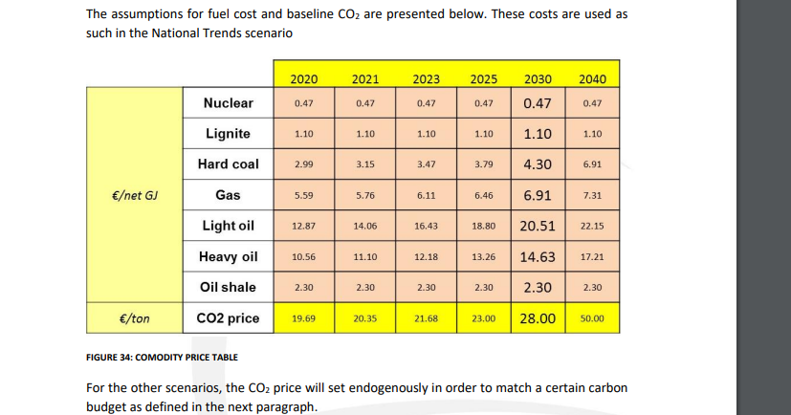
Nuclear | 841.4268401 | Nuclear | Dispatchable
Other non-RES | 397.7826726 | NI | Dispatchable
Hard coal old 1 Bio | 0.56719999696 | Coal | Dispatchable
Gas OCGT old | 158.069548 | OCGT | Dispatchable
Gas CCGT old 1 | 81.478200003 | CCGT | Dispatchable
Oil shale new | 2.8128204727 | Oil_shale | Dispatchable
Lignite old 1 Bio | 0.88379999544 | Lignite | Dispatchable
Lignite old 2 | 55.379296019 | Lignite | Dispatchable
DSR | 346.645962 | NI | NI
Oil shale new Bio | 3.96 | Oil_shale | Dispatchable
Other non-RES UK00 P | 66.89061682 | NI | NI
Battery | 639.223797 | Battery | Storage
Offshore Wind | 1066.0789871 | w_off | Intermittent
Other non-RES DKW1 P | 1.379 | NI | NI
Gas CCGT present 2 CCS | 0.64586 | CCGT | Dispatchable
Gas CCGT new CCS | 1.802752 | CCGT | Dispatchable
Other non-RES FI00 P | 15.48 | NI | NI
Other non-RES DE00 P | 78.471398436 | NI | NI
PS Closed | 377.31323975 | PS_C | Storage
Other non-RES DKE1 P | 0.9282000124 | NI | NI
Gas conventional old 1 | 42.263600025 | OCGT | Dispatchable
Other non-RES FR00 P | 41.941599608 | NI | NI
Hard coal new Bio | 25.904160002 | Coal | Dispatchable
Gas CCGT present 1 CCS | 0.14852 | CCGT | Dispatchable
Gas CCGT CCS | 4.71 | CCGT | Dispatchable
Hard coal old 2 Bio | 32.843451996 | Coal | Dispatchable
Gas CCGT old 2 | 333.50440004 | CCGT | Dispatchable
Gas CCGT present 1 | 332.87928005 | CCGT | Dispatchable
Reservoir | 979.61719612 | RES | RES
Hard coal old 2 | 34.894190783 | Coal | Dispatchable
Lignite new | 84.056539871 | Lignite | Dispatchable
Heavy oil old 2 | 1.578 | Oil_heavy | Dispatchable
Other non-RES MT00 P | 1.35 | NI | NI
Hard coal new | 122.81940001 | Coal | Dispatchable
Gas CCGT new | 516.36127208 | CCGT | Dispatchable
P2G | 30.15 | NI | NI
Other RES | 367.37045048 | NI | NI
Run-of-River | 601.23678988 | ROR | ROR
Oil shale old | 1.44 | Oil_shale | Dispatchable
Solar Thermal | 85.428707677 | NI | NI
Gas OCGT new | 144.22472005 | OCGT | Dispatchable
Light oil | 7.284239998 | Oil_light | Dispatchable
Onshore Wind | 4294.8095389 | w_on | Intermittent
Lignite old 1 | 123.29000014 | Lignite | Dispatchable
Gas conventional old 2 Bio | 4.68 | OCGT | Dispatchable
Heavy oil old 1 Bio | 3.708 | Oil_heavy | Dispatchable
PS Open | 559.49611993 | PS_O | Storage_flow
Hard coal old 1 | 38.516395275 | Coal | Dispatchable
Solar PV | 5028.1576555 | PV | Intermittent
Gas conventional old 2 | 20.712199996 | OCGT | Dispatchable
Gas CCGT present 2 | 301.06848011 | CCGT | Dispatchable
Heavy oil old 1 | 25.300199997 | Oil_heavy | Dispatchable

